Script
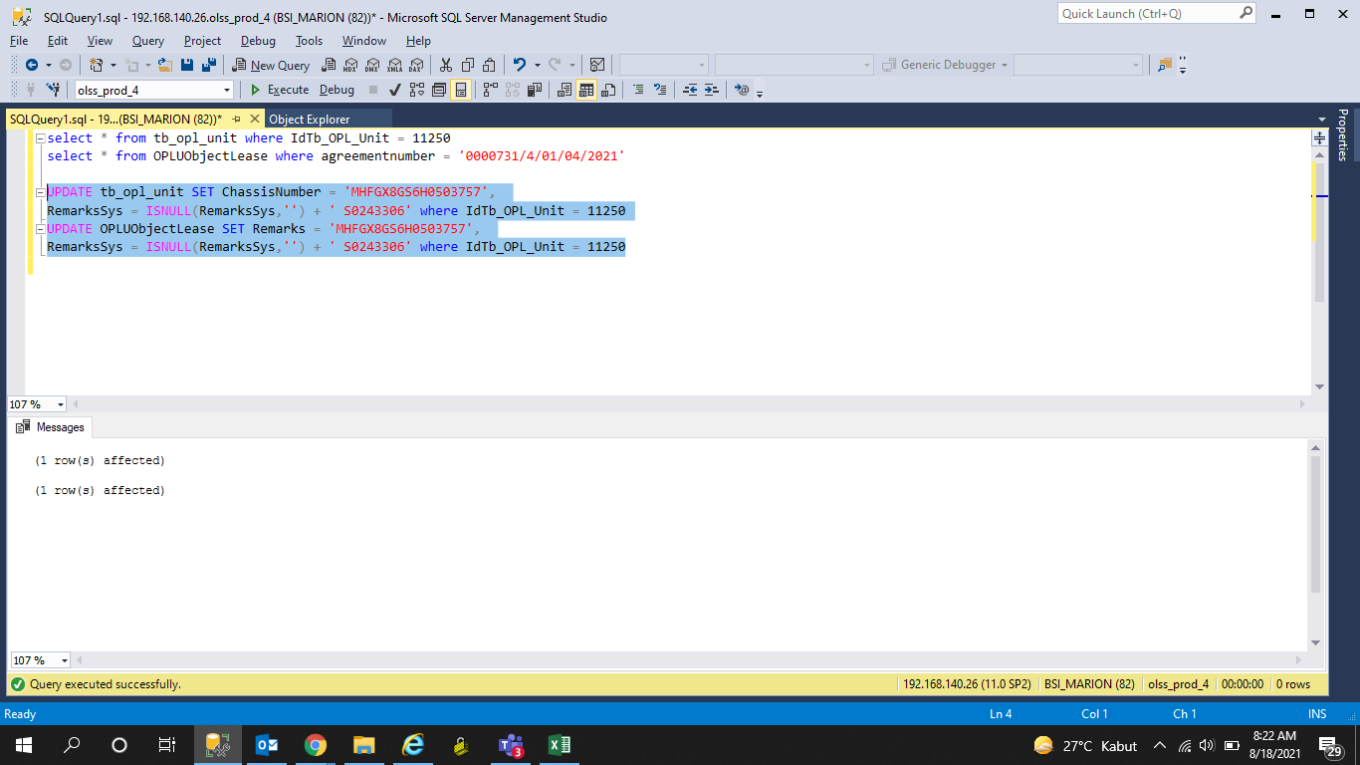
UPDATE tb_opl_unit SET ChassisNumber = 'MHFGX8GS6H0503757',
RemarksSys = ISNULL(RemarksSys,'') + ' S0243306' where IdTb_OPL_Unit = 11250

UPDATE OPLUObjectLease SET Remarks = 'MHFGX8GS6H0503757',
RemarksSys = ISNULL(RemarksSys,'') + ' S0243306' where IdTb_OPL_Unit = 11250

Screenshot
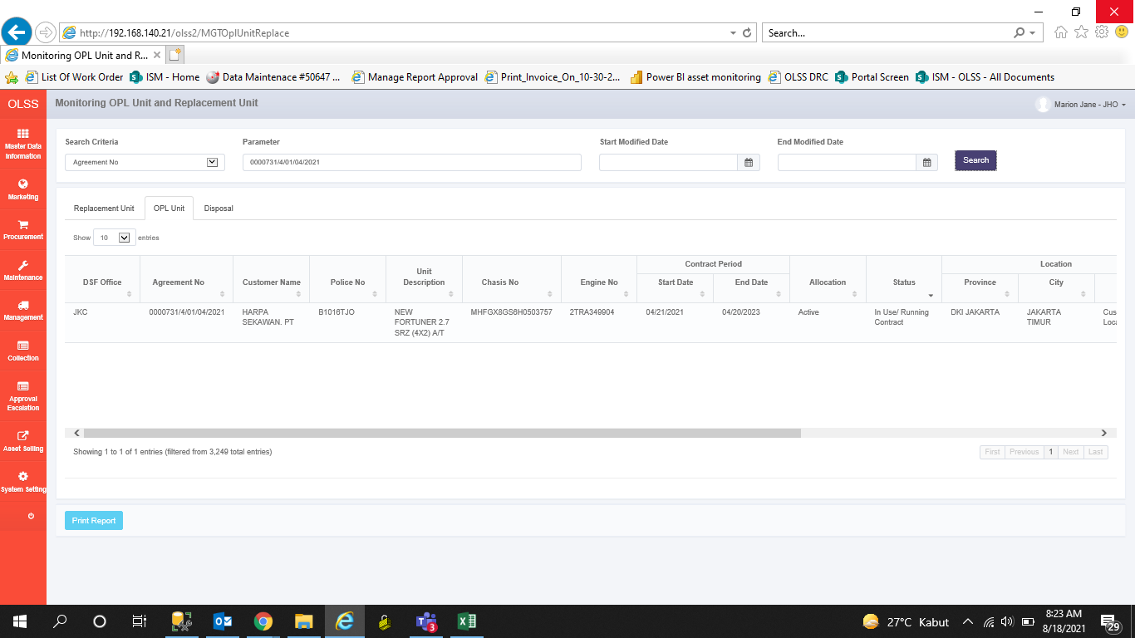
BEFORE


AFTER

